Sheet1
ID | Summary | Description | Steps to reproduce | Expected Result | Actual Result | Priority | Severity | Repro rate | Screenshot
BR-2-01 | User cannot find and click on "Submit" button in Forms page to compleate registration | When user go to Forms page, enter all data for registration and current window is MAXIMIZED, Submit button is not visible on UI. User cannot scroll down and click on "Submit" button. User can only find and click "Submit" button when current window is very small. My current resolution of screen is "1366 x 768". Submit button works only when current window is approximately 1/3 of a screen dimension wide.Suggestion to FE developer: "Ads by Google" filed is covering "Submit" button for registration and ads cannot be removed. | 1. Go to https://demoqa.com/ | User succesfuly registrated and new window is opened with all data ented in a table. | User cannot find "Submit" button on UI. | MEDIUM | HIGH | 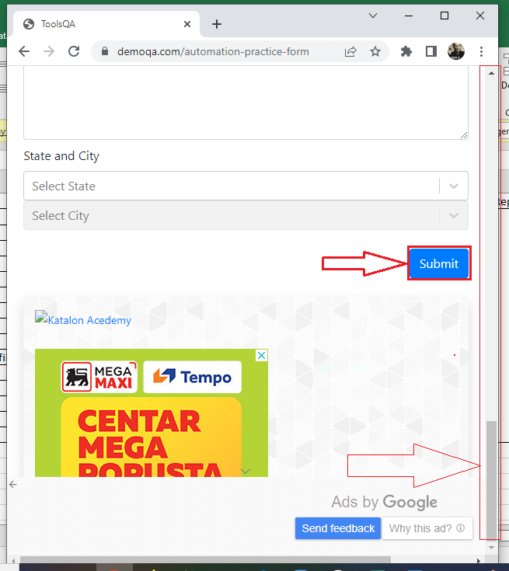 100% | 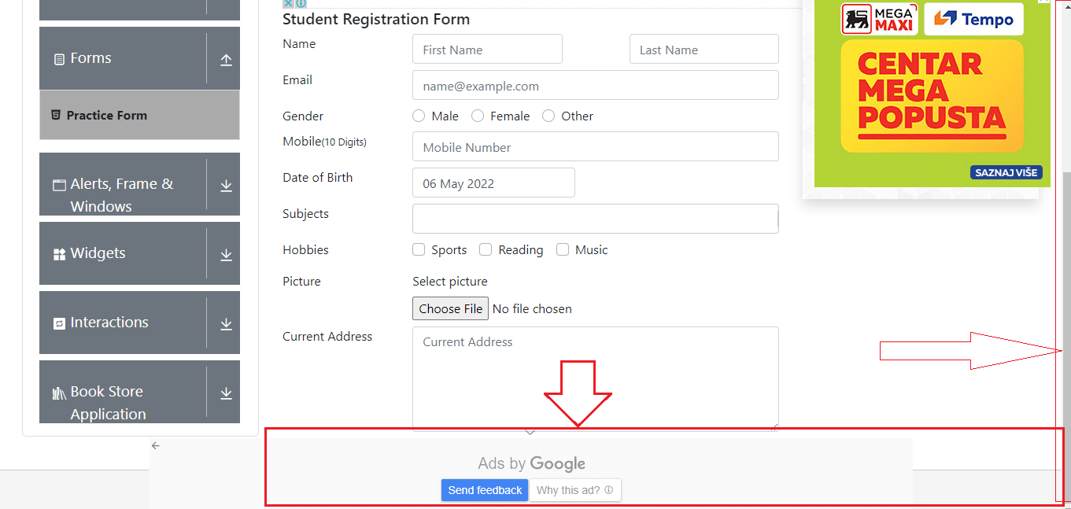
 |  |  | 2. Click "Forms Page" menu
 |  |  | 3. Enter valid first name in "First Name" textbox
 |  |  | 4. Enter valid last name in "Last Name" textbox
 |  |  | 5. Enter valid email in "Email" textbox
 |  |  | 6. Click "Male" radio button in Gender filed
 |  |  | 7. Enter mobile number in "Mobile" textbox
 |  |  | 8. Chose a date of birth from Date of Birth form
 |  |  | 9. Click on "Music" checkbox button in "Hobbies" filed
 |  |  | 10. Click on "Choose File" button from "Select picture" filed
 |  |  | 11. Double click on valid picture file
 |  |  | 12. Enter addres in "Current address" textbox filed
 |  |  | 13. Seect state from dropdown menu "State and City"
 |  |  | 13. Select city from dropdown menu "State and City"
 |  |  | 14. Click on "Submit" button
BR-3.01 | All five buttons on page "Alerts" are named "Click me", next to one another and same shape and color | When user go to Alert, Frame & Window page and click on "Alert" submenu in Alert page there are four buttons that are the same shape and color one under another. User can be confused what each button does and on what button to press. Different text is shown next to each button. Suggestion to developer: Change name of buttons. | 1. Go to https://demoqa.com/
 |  |  | 2. Click on "Alerts, Frames & Window" page
 |  |  | 3.Click on "Alerts" submenu | Page is loaded and visible with all element | Page is loaded and visible with all element and some elements are the same name and shape and color | LOW | LOW | 100% | 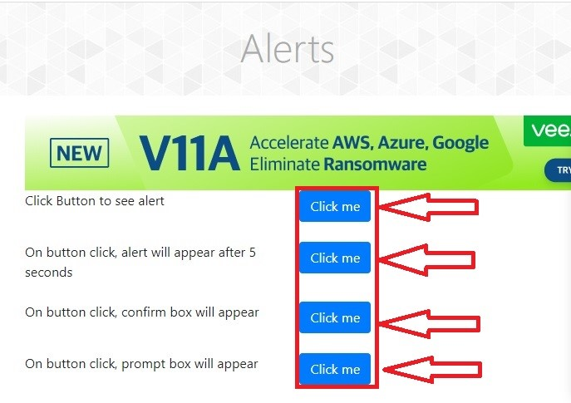
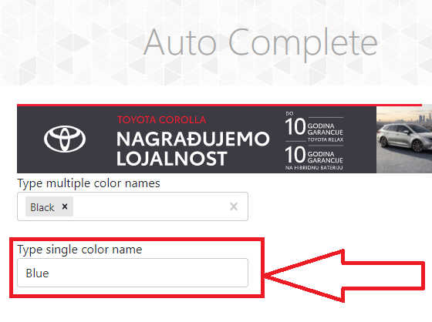
BR-4.01 | User cannot remove previously chosen color from "Type single color name" filed box in Widgets page | When user go to Widgets page and in "Auto Complete" submenu enters in "Type single color" filed box type ANY color provided and chose it by below provided colors user cannot remove selected color and chose another. Color cannot be removed by any keyboard or mouse actions. | 1. Go to https://demoqa.com/ | Provided color is removed and filed box is empty | Provided color is NOT removed and previously chosen color is in filed box | HIGH | MEDIUM | 100%
 |  |  | 2. Click on Widgets page
 |  |  | 3. Click on "Autocomplete" submenu
 |  |  | 4.Enter text in "Type single color name" filed box
 |  |  | 5.Chose provided color below and click on picked color
 |  |  | 6.Remove text from "Type single color name" filed box
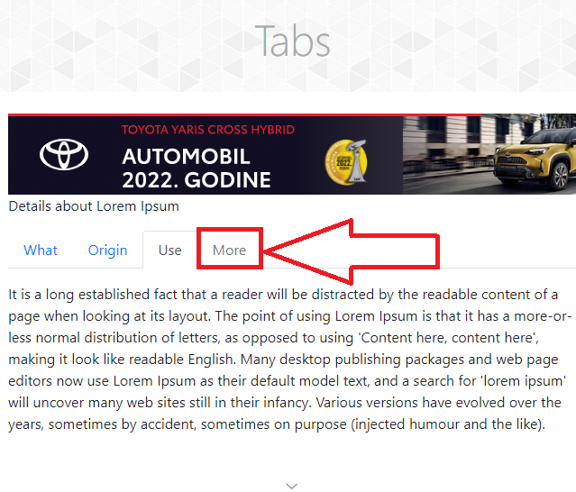
BR-4-02 | User cannot click on "More" tab in Widgets page in Tabs submenu | When user go to Widgets page and in "Tab" submenu tries to click on "More" tab, tab seem to be empty and color is different than other tabs in same page. "More" tab is not selectable or clickable. Note do devs: Until this tab is finished it should be removed from UI; | 1. Go to https://demoqa.com/ | More tab is selected and text is visible below | More tab is not selected and text below is not visible | LOW | LOW | 100%
 |  |  | 2. Click on Widgets page
 |  |  | 3. Click on "Tabs" submenu
 |  |  | 4. Clik on "More" tab

